Instructions
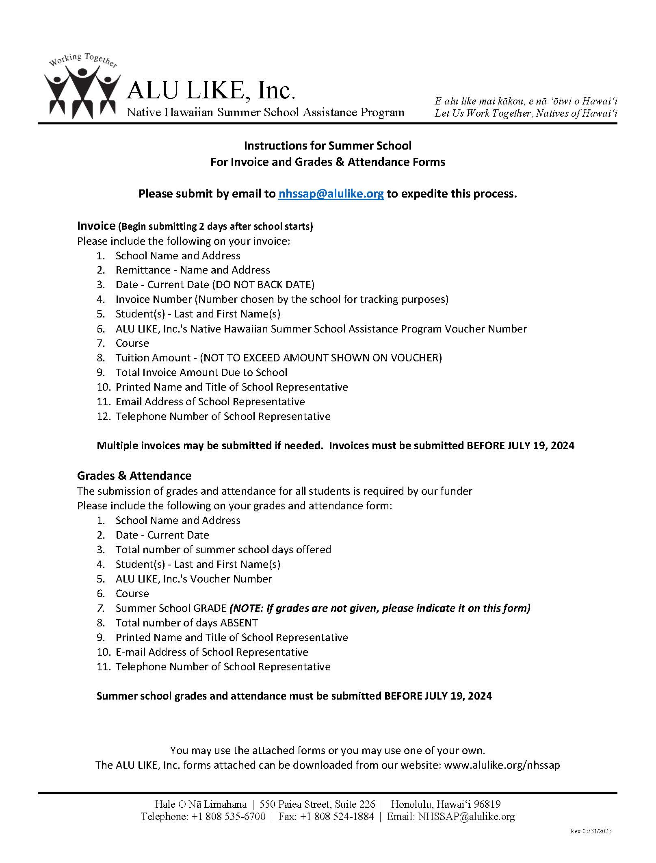

SAMPLE Invoice
INVOICE
1
Enter your school's name and check payable information in the space provided
2
BILL TO: |  |  | SCHOOL NAME:
ALU LIKE, Inc.
Native Hawaiian Summer School Assistance Program |  |  | MAKE CHECK PAYABLE TO:
2969 Mapunapuna Place, Suite 200
Honolulu, Hawai'i 96819
Insert current date
3
4
Insert your control invoice number
DATE: |  |  |  | INVOICE NO.:

SUMMER SCHOOL COST for the following STUDENT(s): |  |  | Voucher |  |  | Tuition
Last Name | First Name |  | No | Course |  | Amount
Kai | Moana |  | 135 | English II |  | 190.00
Lei | Ana |  | 147 | Algebra II |  | 190.00
5
6
7
8

SAMPLE
You may submit more than one invoice if needed
Submit inovice 2 days after the start of Summer School

9

 |  |  |  | TOTAL INVOICE AMOUNT DUE TO SCHOOL | $ | 380.00
10
12

Print Name and Title |  | Phone No.

11

Email |  |  |  |  |  | Revised: 03/31/2024

SAMPLE Grade(s) & Attendance
GRADE(S) & ATTENDANCE

1
1
Enter your school's name and address in the space provided
SUBMIT TO: |  |  | SCHOOL NAME:
ALU LIKE, Inc. |  |  | ADDRESS:
Native Hawaiian Summer School Assistance Program
2969 Mapunapuna Place, Suite 200
Honolulu, Hawai'i 96819
 |  |  |  |  |  | Total
Insert current date
2
3
 |  |  |  |  |  | School Days
DATE: |  |  |  |  |  | 20

Last Name | First Name |  | Voucher # | Course | Grade | Days Absent
Kai | Moana |  | 135 | English II | A | 0
Lei | Ana |  | 147 | Algebra II | A | 1
4
5
6
7
8

SAMPLE
Completion of this form is a requirement of our funder
Complete ALL columns
SUBMIT NO LATER THAN
JULY 19, 2024

9
11
 |  |  |  | If grades are not given, please indicate it on this form.

Print Name and Title |  | Phone No.

10

Email |  |  |  |  |  | Revised: 03/31/2024

